Sheet1
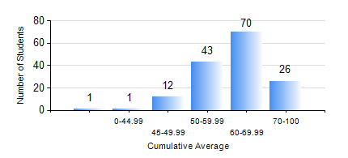
 |  |  | KWAME NKRUMAH UNIVERSITY OF SCIENCE AND TECHNOLOGY, KUMASI Department of Mechanical Engineering

 |  |  | BSC. MECHANICAL ENG.

 |  |  | COMPREHENSIVE RECORD OF EXAMINATION RESULTS

 |  |  | RESULTS OF YEAR 3 FIRST SEMESTER, 2021/2022 ACADEMIC YEAR

 | Sn | Course Code |  | Course Name | Credit Hours | Min. Mark | Max. Mark | Avg. Mark | Std. Dev. | No. Passed | No. Trailed | No. (Df) | No. (I) | No. (I*) | No. Tagged(I,I*,Df) | Total
 | 0. |  |  |  |  |  |  | 0 | 0 | 0 | 0 | 0 | 0 | 0 | 0 | 5
 | 1. | ECONS 151 |  | INTRODUCTION TO ECONOMICS I | 2 | 32 | 81 | 59 | 11.62 | 139 | 9 | 0 | 0 | 0 | 0 | 148
 | 2. | MATH 351 |  | NUMERICAL ANALYSIS | 2 | 24 | 91 | 64 | 10.88 | 147 | 1 | 0 | 0 | 0 | 0 | 148
 | 3. | MATH 353 |  | PROBABILITY AND STATISTICS | 2 | 30 | 89 | 61 | 12.95 | 138 | 10 | 0 | 0 | 0 | 0 | 148
 | 4. | ME 361 |  | DYNAMICS OF MACHINERY | 3 | 3 | 97 | 66 | 22.09 | 130 | 18 | 0 | 0 | 0 | 0 | 148
 | 5. | ME 363 |  | AUTOMATIC CONTROL I | 2 | 40 | 79 | 63 | 7.89 | 148 | 0 | 0 | 0 | 0 | 0 | 148
 | 6. | ME 365 |  | THERMODYNAMICS II | 3 | 16 | 80 | 53 | 8.56 | 147 | 1 | 0 | 0 | 0 | 0 | 148
 | 7. | ME 373 |  | MACHINE ELEMENTS DESIGN | 3 | 24 | 83 | 54 | 12.62 | 135 | 13 | 0 | 0 | 0 | 0 | 148
 | 8. | ME 395 |  | MECHANICAL ENGINEERING LAB. III | 1 | 40 | 87 | 68 | 11.28 | 148 | 0 | 0 | 0 | 0 | 0 | 148

